Sheet1
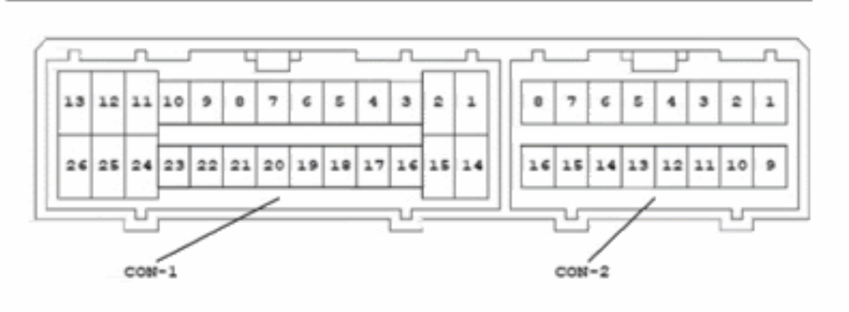
 |  |  |  | 1997 Toyota Starlet EP91 |  | Checked column means verified via multimeter / oscilloscope on my car
 |  |  |  | Australian 'Life' model/trim
 |  |  |  | 5 Speed Manual |  |  | = lowside driven
 |  |  |  | 3 Door
 |  |  |  | Conn-1 = 26 pin |  |  | =no harness wire connected
 |  |  |  | Conn-2 = 16 pin
 |  |  |  | 42 pin total
CONNECTOR 1 |  |  |  |  | CONNECTOR 2
PIN | LABEL | CHECKED? | DESCRIPTION |  | PIN | LABEL | CHECKED? | DESCRIPTION
1 | RSC |  | Rotary idle valve - CLOSE |  | 1 |  |  | No connection
2 | NSW |  | Neutral switch for starter |  | 2 | BATT | Y | Permanent battery voltage
3 | THW |  | Coolant temperature |  | 3 | CCO |  | Cat converter overheat sensor
4 | PIM |  | Intake manifold pressure sensor MAP? |  | 4 | FC |  | Fuel pump relay
5 | THA |  | Intake air temperature |  | 5 | ELS |  | ELS = electrical load system. says if headlights are on
6 | IGT | Y | Ignition timing (5v spark signal) |  | 6 | AC2 |  | Not present
7 | IGF |  | Ignition feedback from igniter |  | 7 | TE2 |  | Diagnostic
8 | I0F |  | Sync signal, uses NE- as ground? (1 tooth sync in distributor?) |  | 8 | TE1 |  | Diagnostic
9 | NE- | Y | vr sensor gnd |  | 9 | +B | Y | Battery voltage when ignition is switched on
10 | OX |  | Narrowband signal |  | 10 | W |  | Check engine light
11 | STA |  | Engine cranking signal (from starter switch) |  | 11 | EGW |  | Exhaust Temp light
12 | #10 | Y | Injector 1+3 |  | 12 | AC1 |  | Signal from ac computer, says if ac clutch is engaged
13 | E01 | Y | computer ground |  | 13 | SPD
14 | RSO |  | Rotary idle valve - OPEN |  | 14 | ACT |  | Toggle AC
15 | HT |  | Narrowband heater? |  | 15 | ELS2 |  | Says if rear defogger / rear blower motor is on
16 | E2 |  | Sensor ground |  | 16 | VF |  | Diagnostic for O2, says if ecu is compensating for lean or rich
17 | PSW | Y | TPS position (0.7v no throttle, 4v WOT)
18 | VCC | Y | TPS power (5v)
19 | IDL |  | Idle position switch
20 | FAN |  | Rad fan
21 | NE | Y | vr sensor with NE- (4-0 wheel in distributor)
22 | ELS3 |  | not present
23 | IPV |  | not present
24 | E1 |  | computer power ground
25 | #20 | Y | Injector 2 + 4
26 |  |  | No connection

